Sheet1
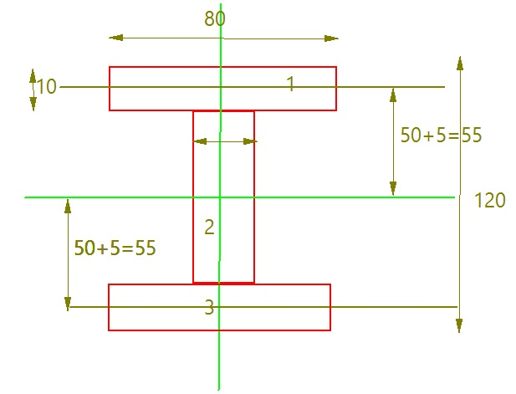

 |  |  |  |  |  |  |  |  |  | S.No | Geometry | Dimensions in mm | Area ( A) |  | MOI about CG | distance (d) | d^2 | I
 |  |  |  |  |  |  |  |  |  | 1 | Rectangle | 80x10 | 800 | (bd^3)/12 | 6666.67 | 55 | 3025 | 2426666.67
 |  |  |  |  |  |  |  |  |  | 2 | Rectangle | 10x100 | 1000 | (bd^3)/12 | 833333.34 | 0 | 0 | 833333.34
 |  |  |  |  |  |  |  |  |  | 3 | Rectangle | 80x10 | 800 | (bd^3)/12 | 6666.67 | 55 | 3025 | 2426666.67

 |  |  |  |  |  |  |  |  |  |  |  |  |  |  |  |  |  | 5686666.68 | mm^4

 |  |  |  |  |  |  |  |  |  | S.No | Geometry | Dimensions in mm | Area ( A) |  | MOI about CG | distance (d) | d^2 | I
 |  |  |  |  |  |  |  |  |  | 1 | Rectangle | 80x120 | 9600 | (bd^3)/12 | 11520000 | 0 | 0 | 11520000
 |  |  |  |  |  |  |  |  |  | 2 | Rectangle | 35*100(-ve) | 3500 | (bd^3)/12 | 2916666.67 | 0 | 0 | -2916666.67
 |  |  |  |  |  |  |  |  |  | 3 | Rectangle | 35*100(-ve) | 3500 | (bd^3)/12 | 2916666.67 | 0 | 0 | -2916666.67

 |  |  |  |  |  |  |  |  |  |  |  |  |  |  |  |  |  | 5686666.66

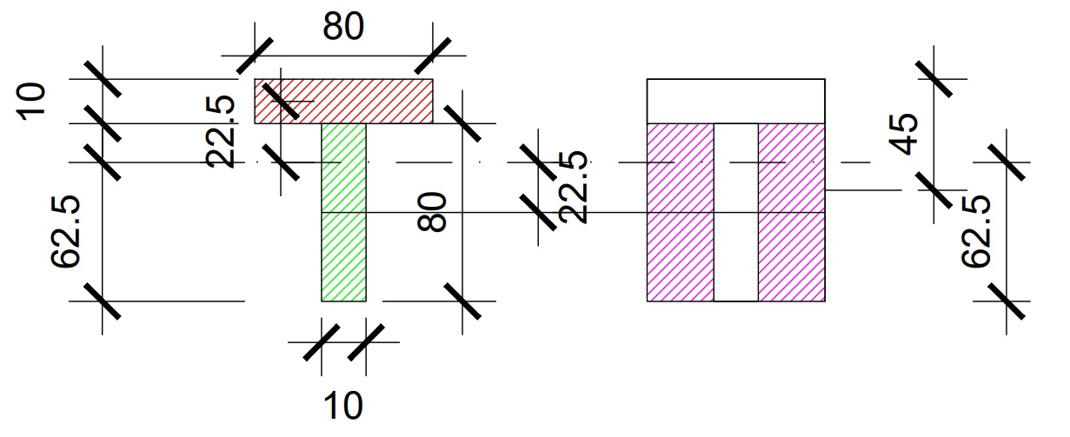

S.No | Geometry | Dimensions in mm | Area ( A) |  | MOI about CG | distance (d) | d^2 | I |  | S.No | Geometry | Dimensions in mm | Area ( A) |  | MOI about CG | distance (d) | d^2 | I
1 | Rectangle | 80x10 | 800 | (bd^3)/12 | 6666.67 | 22.5 | 506.25 | 411666.67 |  | 1 | Rectangle | 80x90 | 7200 | (bd^3)/12 | 4860000 | 17.5 | 306.25 | 7065000
2 | Rectangle | 10x80 | 800 | (bd^3)/12 | 426666.67 | 22.5 | 506.25 | 831666.67 |  | 2 | Rectangle | 35x80 | 2800 | (bd^3)/12 | 1493333.34 | 22.5 | 506.25 | -2910833.34
 |  |  |  |  |  |  |  |  |  | 2 | Rectangle | 35x80 | 2800 | (bd^3)/12 | 1493333.34 | 22.5 | 506.25 | -2910833.34

 |  |  |  |  |  |  |  | 1243333.34 |  |  |  |  |  |  |  |  |  | 1243333.32

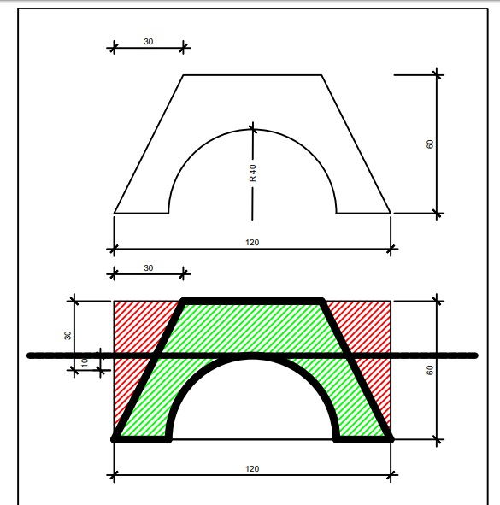

 |  |  |  |  |  |  |  |  |  | S.No | Geometry | Dimensions in mm | Area ( A) |  | MOI about CG | distance (d) | d^2 | I
 |  |  |  |  |  |  |  |  |  | 1 | Rectangle | 120x60 | 7200 | (bd^3)/12 | 2160000 | 10 | 100 | 2880000
 |  |  |  |  |  |  |  |  |  | 2 | Triangle | 30x60 | 900 | (bd^3)/36 | 180000 | 0 | 0 | -180000
 |  |  |  |  |  |  |  |  |  | 3 | Triangle | 30x60 | 900 | (bd^3)/36 | 180000 | 0 | 0 | -180000
 |  |  |  |  |  |  |  |  |  | 4 | Semi Circle | Radius 40 | 2513.2741229 |  | 280977.81925 | 23.023472737 | 530.08029687 | -1613214.92
 |  |  |  |  |  |  |  |  |  |  |  |  |  |  |  |  |  | 906785.08 | mm^4
 |  |  |  |  |  |  |  |  |  |  |  |  |  | about diameter
 |  |  |  |  |  |  |  |  |  |  |  |  |  |  |  |  |  | about CG
 |  |  |  |  |  |  |  |  |  |  | Semi Circle | Radius 40 | 2513.2741229 | (ᶲ*r^4)/8 | 1005309.6491 | 16.976527263 | 288.20247792 | 280977.81925

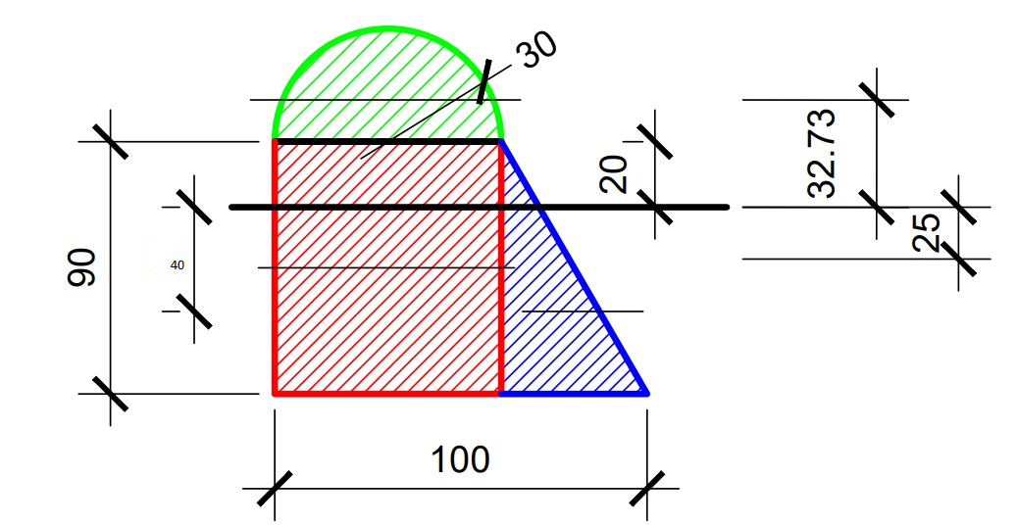

S.No | Geometry | Dimensions in mm | Area ( A) |  | MOI about CG | distance (d) | d^2 | I
1 | Rectangle | 60x90 | 5400 | (bd^3)/12 | 3645000 | 25 | 625 | 7020000
2 | Triangle | 40x90 | 1800 | (bd^3)/36 | 810000 | 40 | 1600 | 3690000

3 | Semi Circle | Radius 30 | 1413.7166941 |  | 88903.138124 | 32.732395447 | 1071.4097117 | 1603572.94
 |  |  |  |  |  |  |  | 12313572.94 | mm^4
 |  |  |  | about diameter
 |  |  |  |  |  |  |  | about CG
 | Semi Circle | Radius 40 | 1413.7166941 | (ᶲ*r^4)/8 | 318086.25618 | 12.732395447 | 162.11389383 | 88903.138124

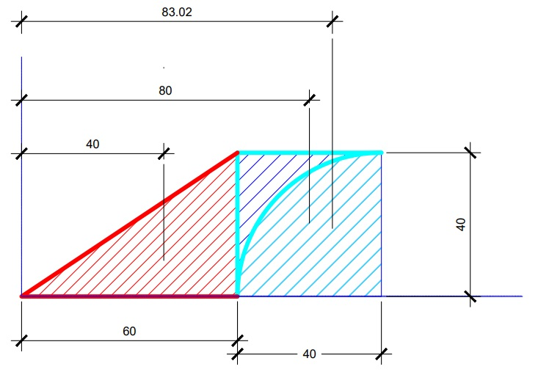

 |  |  |  |  |  |  |  |  |  | S.No | Geometry | Dimensions in mm | Area ( A) |  | MOI about CG | distance (d) | d^2 | I
 |  |  |  |  |  |  |  |  |  | 1 | Square | 40x40 | 1600 | (bd^3)/12 | 213333.34 | 80 | 6400 | 10453333.34
 |  |  |  |  |  |  |  |  |  | 2 | Triangle | 60x40 | 1200 | (bd^3)/36 | 106666.67 | 40 | 1600 | 2026666.67

 |  |  |  |  |  |  |  |  |  | 4 | Quarter Circle | Radius 40 | 1256.6370614 | (ᶲ*r^4)/16 | 140488.90963 | 83.023472737 | 6892.8970253 | -8802358.78
 |  |  |  |  |  |  |  |  |  |  |  |  |  |  |  |  |  | 3677641.23 | mm^4

 |  |  |  |  |  |  |  |  |  |  |  |  |  | about diameter
 |  |  |  |  |  |  |  |  |  |  |  |  |  |  |  |  |  | about CG
 |  |  |  |  |  |  |  |  |  |  | Quarter Circle | Radius 40 | 1256.6370614 | (ᶲ*r^4)/16 | 502654.82457 | 16.976527263 | 288.20247792 | 140488.90963

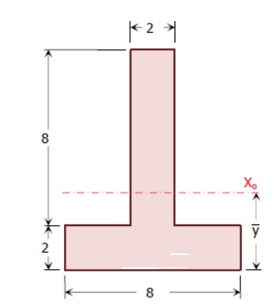

Y | 3.5

S.No | Geometry | Dimensions in mm | Area ( A) |  | MOI about CG | distance (d) | d^2 | I
1 | Rectangle | 2x8 | 16 | (bd^3)/12 | 85.34 | 2.5 | 6.25 | 185.34
2 | Rectangle | 8x2 | 16 | (bd^3)/12 | 5.34 | 2.5 | 6.25 | 105.34

 |  |  |  |  |  |  |  | 290.68

Sheet2
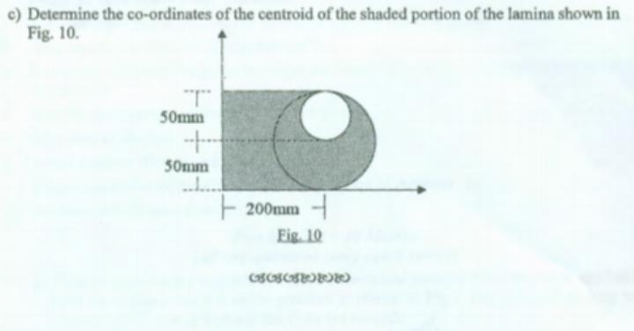
 |  | area | Xi | Yi | AiXi | AiYi
Rectangle | 200x100 | 20000 | 100 | 50 | 2000000 | 1000000
Semi circle | R 50 | 3926.990817 | 221.22065908 | 50 | 868731.49673 | 196349.54085
Circle | R25 | -1963.4954085 | 200 | 75 | -392699.0817 | -147262.15564

 |  |  |  |  | AiXi | AiYi
 | Sum | 21963.495408 |  |  | 2476032.415 | 1049087.3852

 |  |  |  |  | X bar | Y bar
 |  |  |  |  | 112.73398742 | 47.765046761

